Overview % of Collections
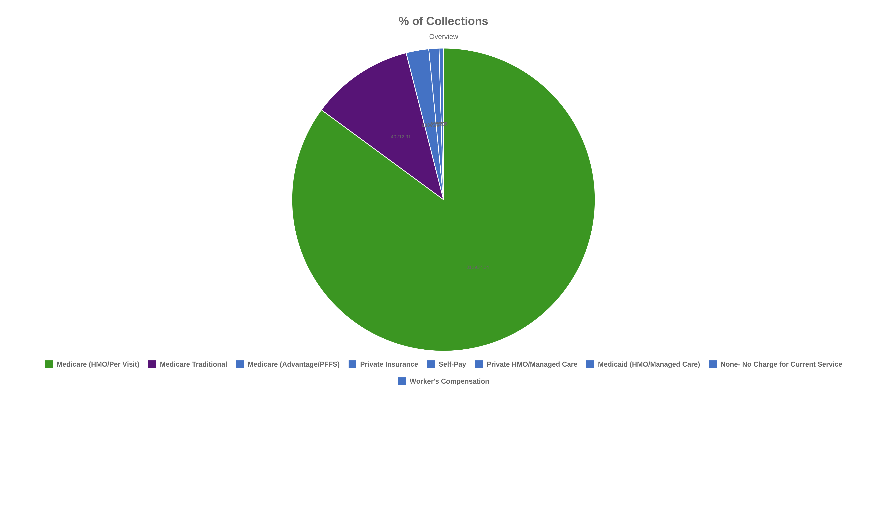
% of Collections
Overview

Collections by Payer Type % of

% of Collections
Collections by Payer Type

